TC_001
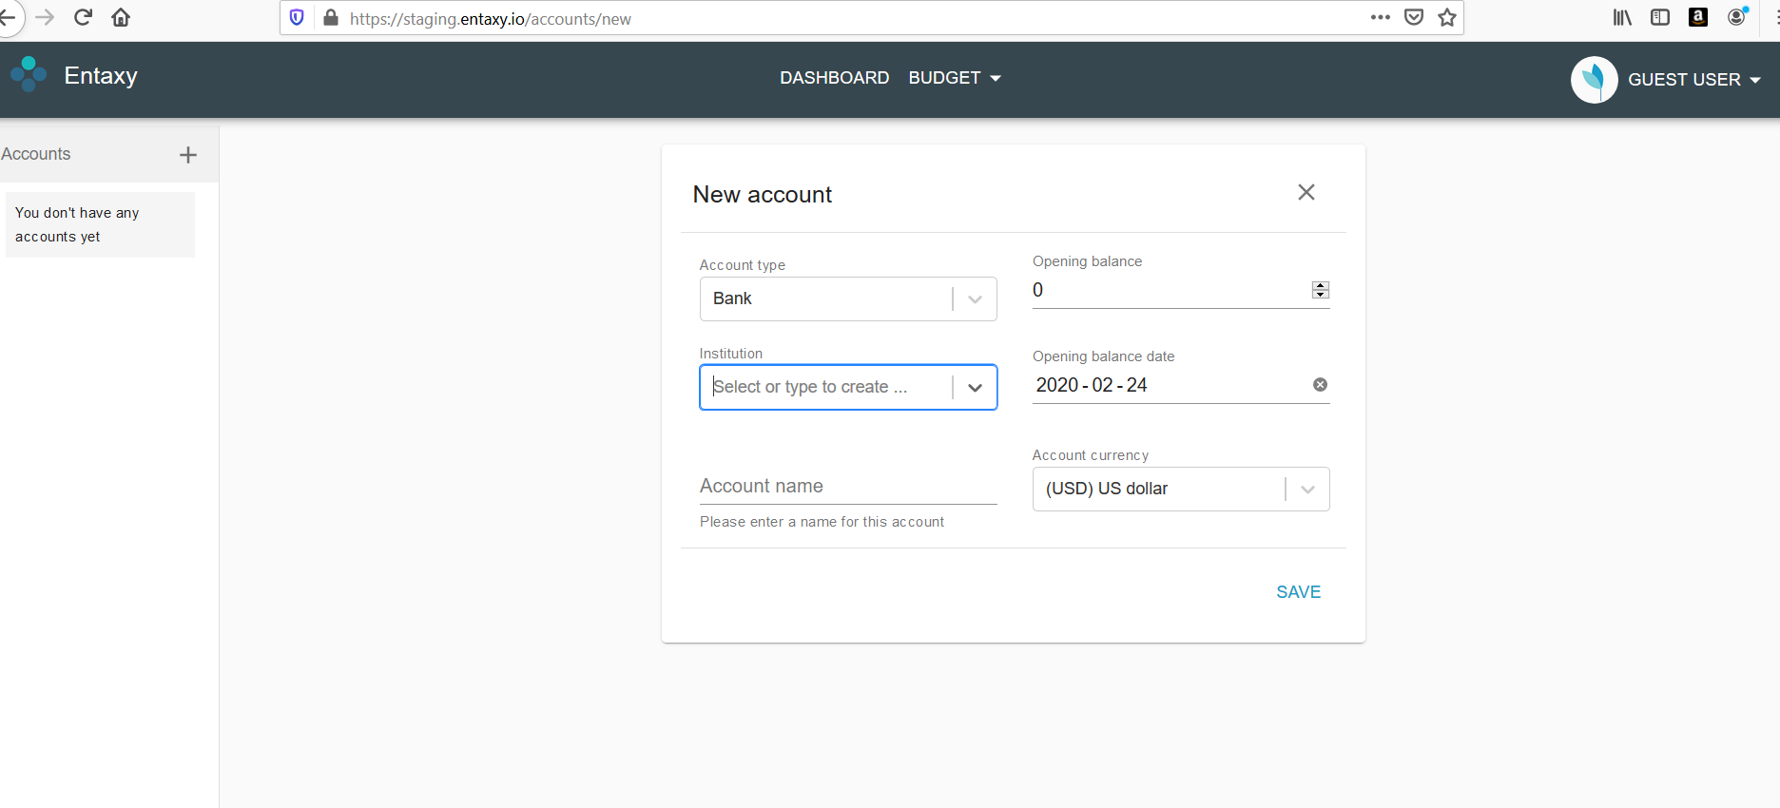
List of institution names are not displayed to select
Steps to reproduce: 1. Launch the URL "https://staging.entaxy.io/" 2. Click on continue as Guest User button 3. Click on New Account icon 4. Enter Account Type and Opening balance 5. click on Institution drop down Expected behavior: List of available institutions must be available as the note suggests in the text box Actual behavior: Institution drop down is not enabled to select Institution name. Options are displayed only while entering. Note needs to be updated in the dropdown box

TC_002
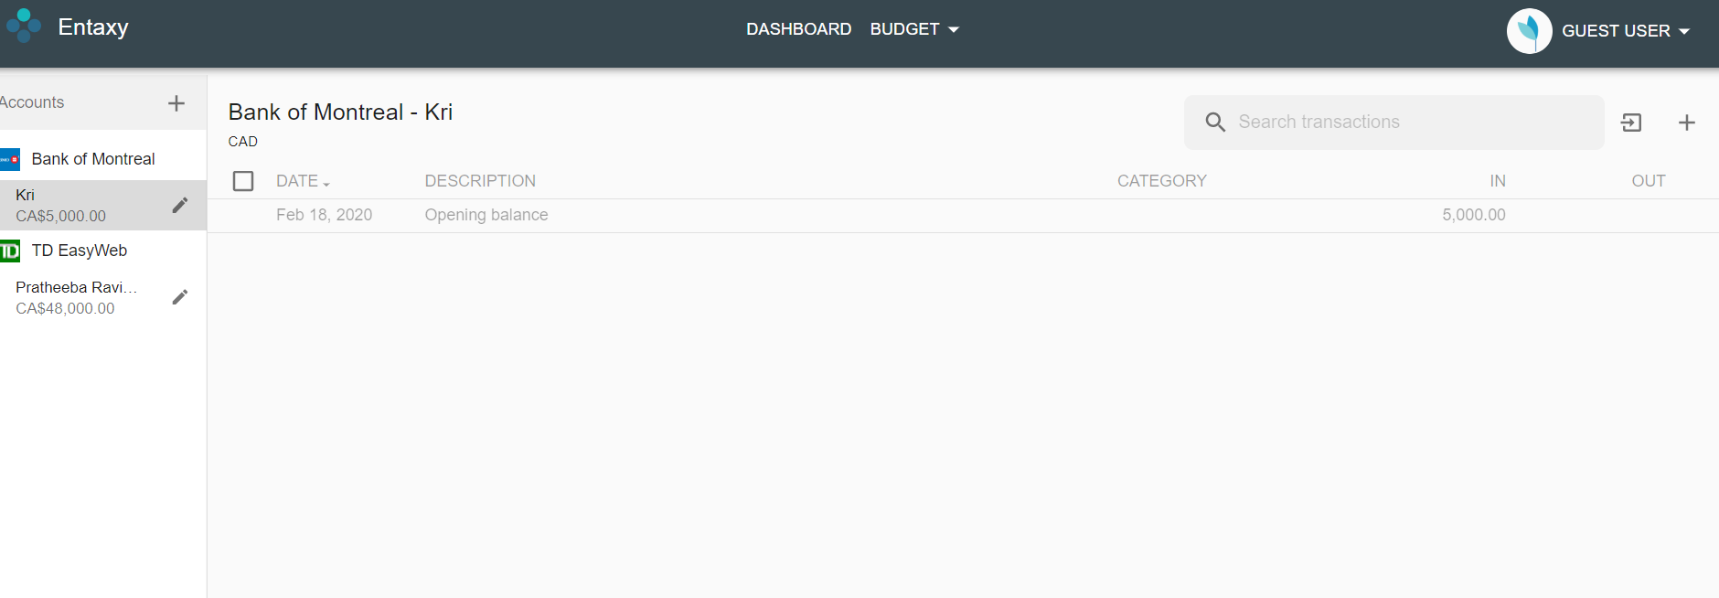
Money is not deposited from sender account to beneficiary
Steps to reproduce: 1. Select the account from which amount has to be transferred 2. Send to another created account 3. Verify money is deducted from account 1 (TD Bank) 4. Verify money is added to Bank of Montreal Expected behavior: Money is deducted from account 1 (TD Bank) and deposited to Bank of Montreal Actual behavior: Money is deducted from account 1 (TD Bank) but not deposited to Bank of Montreal

TC_003
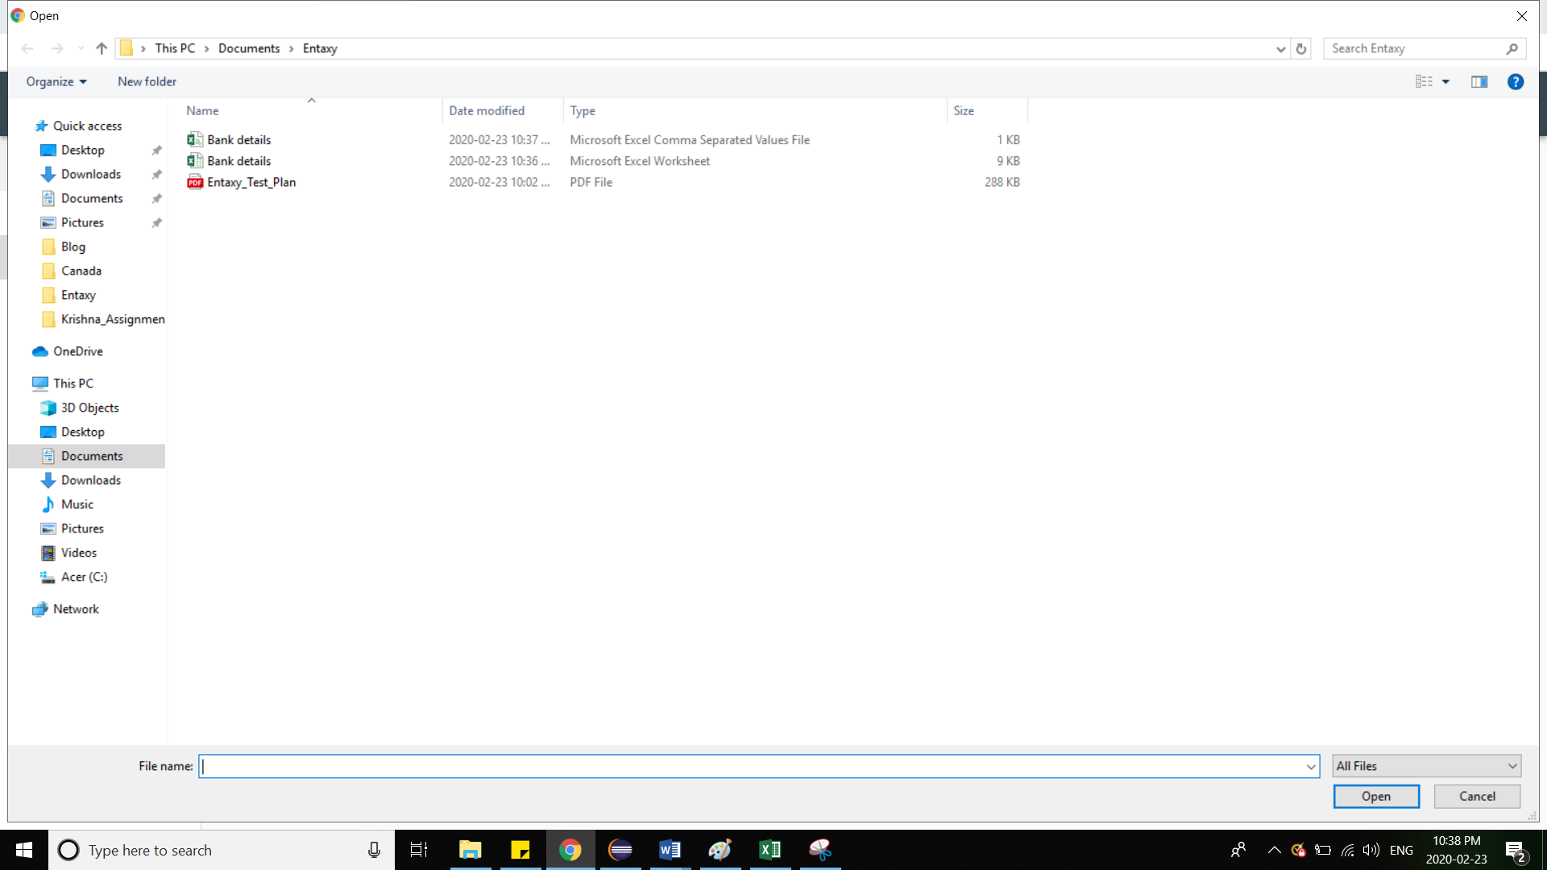
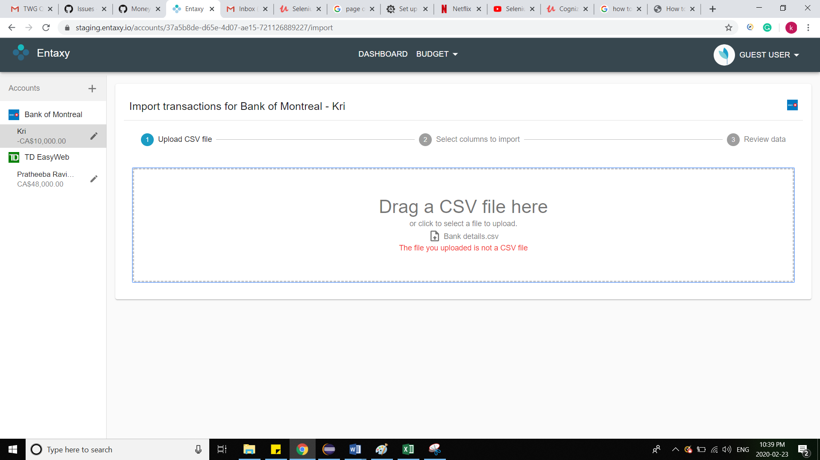
Unable to upload csv file / import transaction

Steps to reproduce: 1. Click on import transaction button 2. Select csv file to be uploaded Expected result: CSV file must be uploaded without errors Actual result: Unable to upload file csv format

TC_004
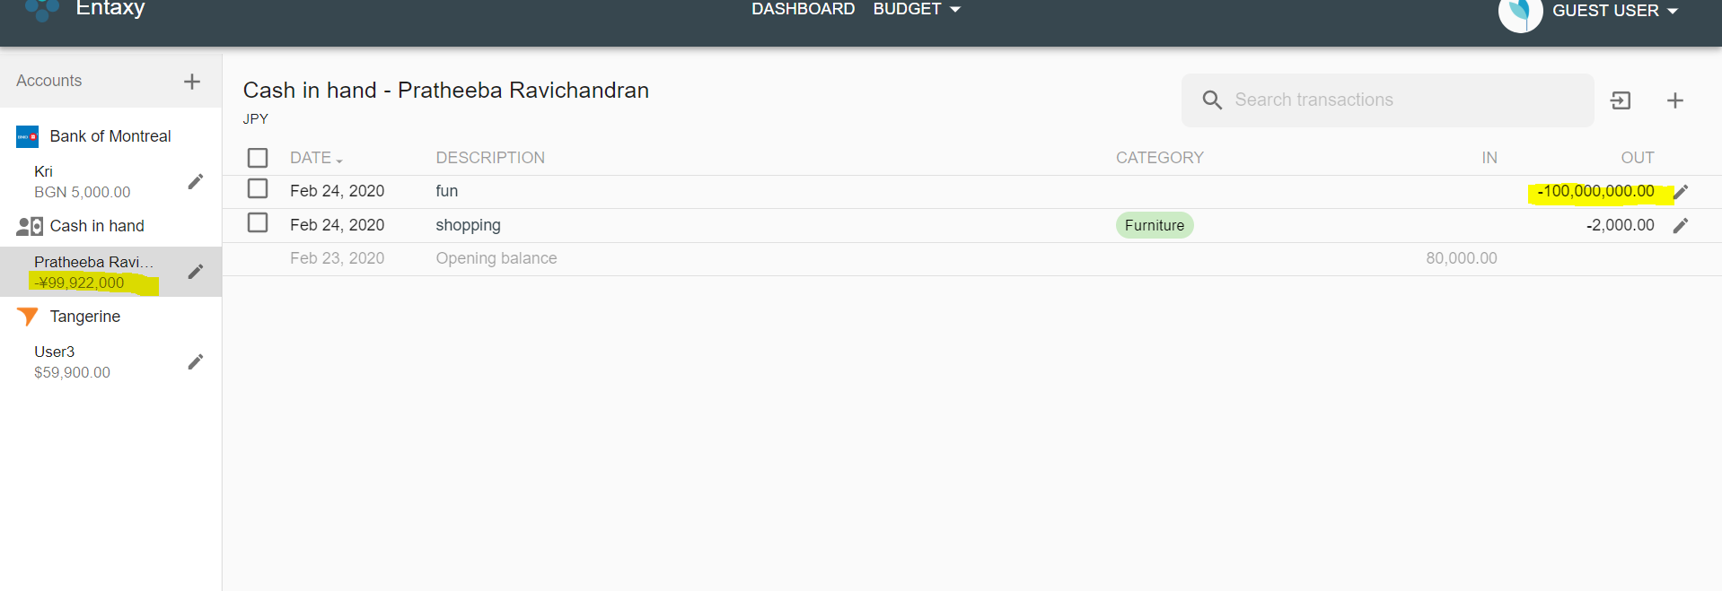
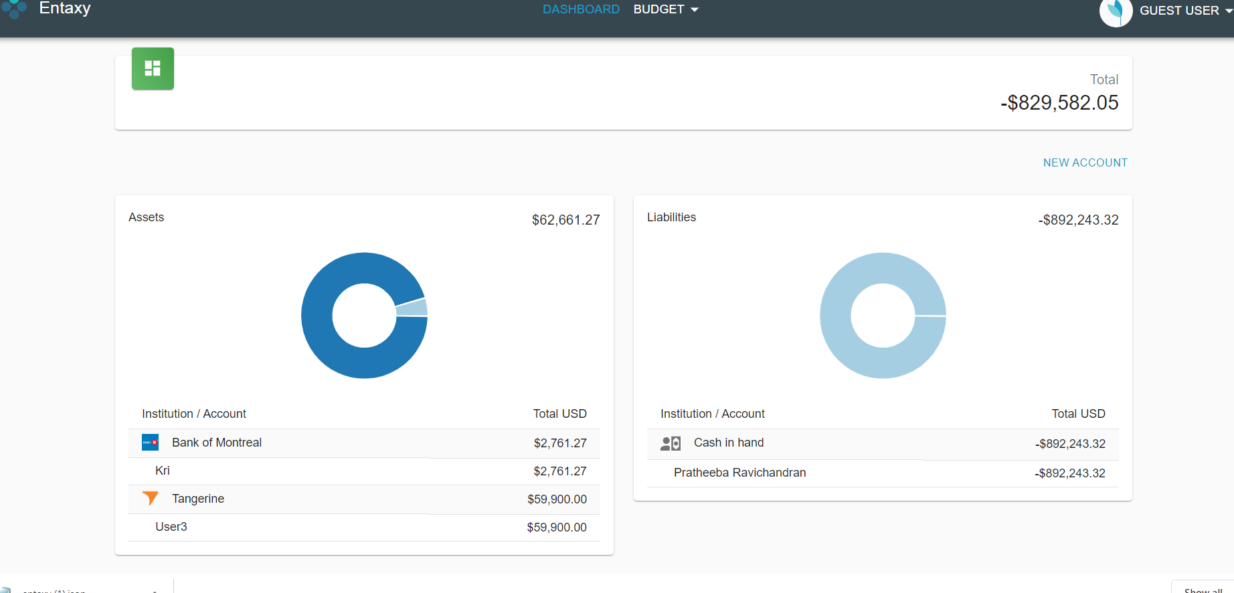
Able to transfer money more than the existing amount in the account

Steps to reproduce: 1. Click on new transaction from account screen 2. Enter description, account and other details 3. Click save Expected behavior: Need to show error when amount entered is more than the amount available in the account Actual behavior: No error is shown and transaction begins with the exceeding amount. It is shown is liabilities. So it might not be an issue

TC_006
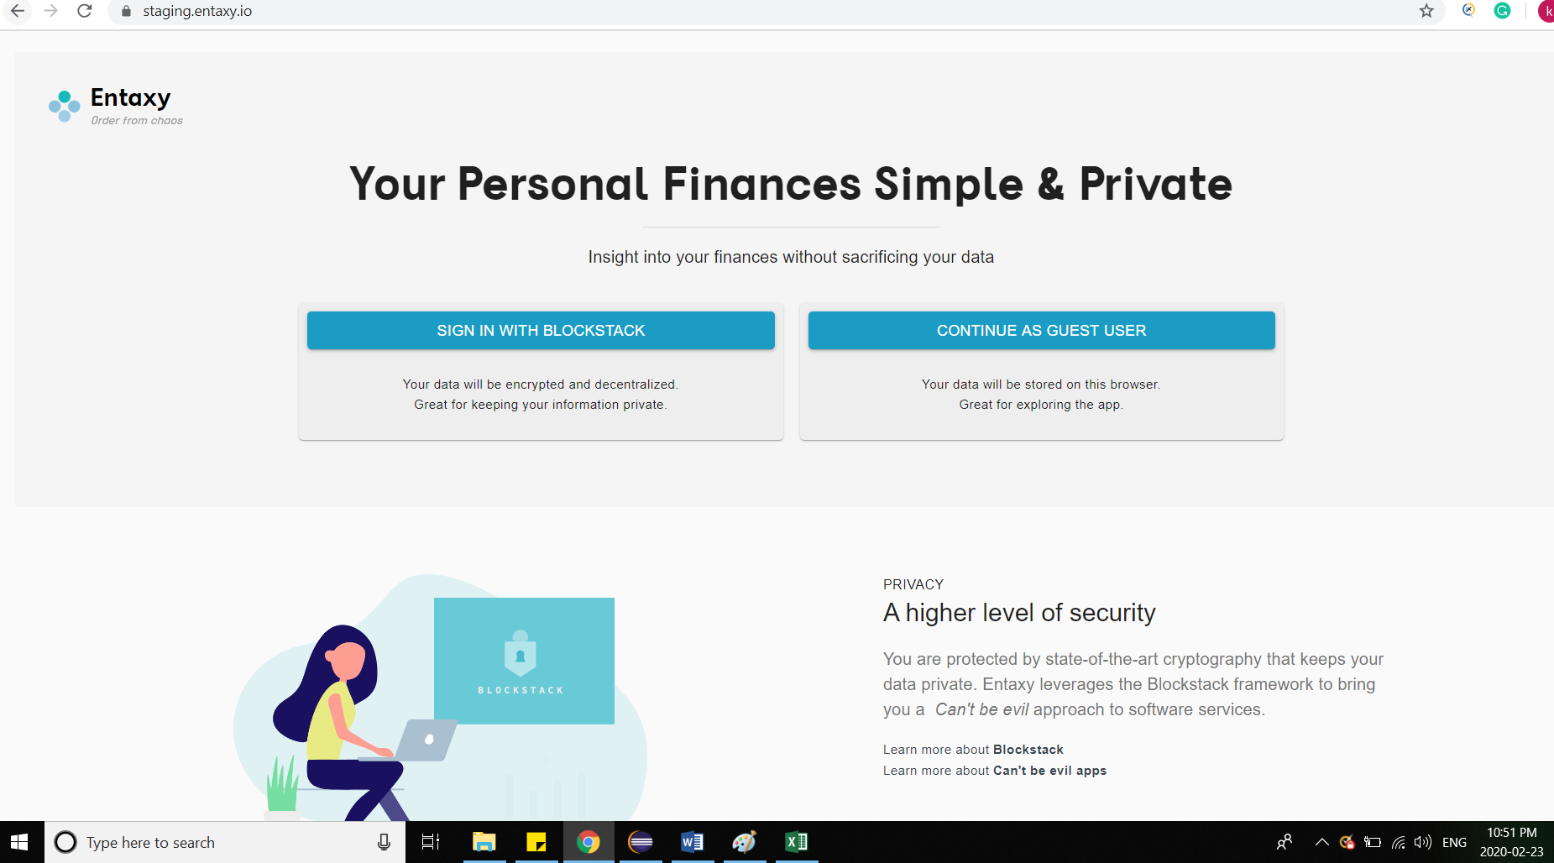
User is sent back to home screen after refresh

Steps to reproduce: 1. Click on refresh button from account screen Expected result: User must be present in the same screen where he is before refreshing Actual result: User is redirected to home page

TC_007
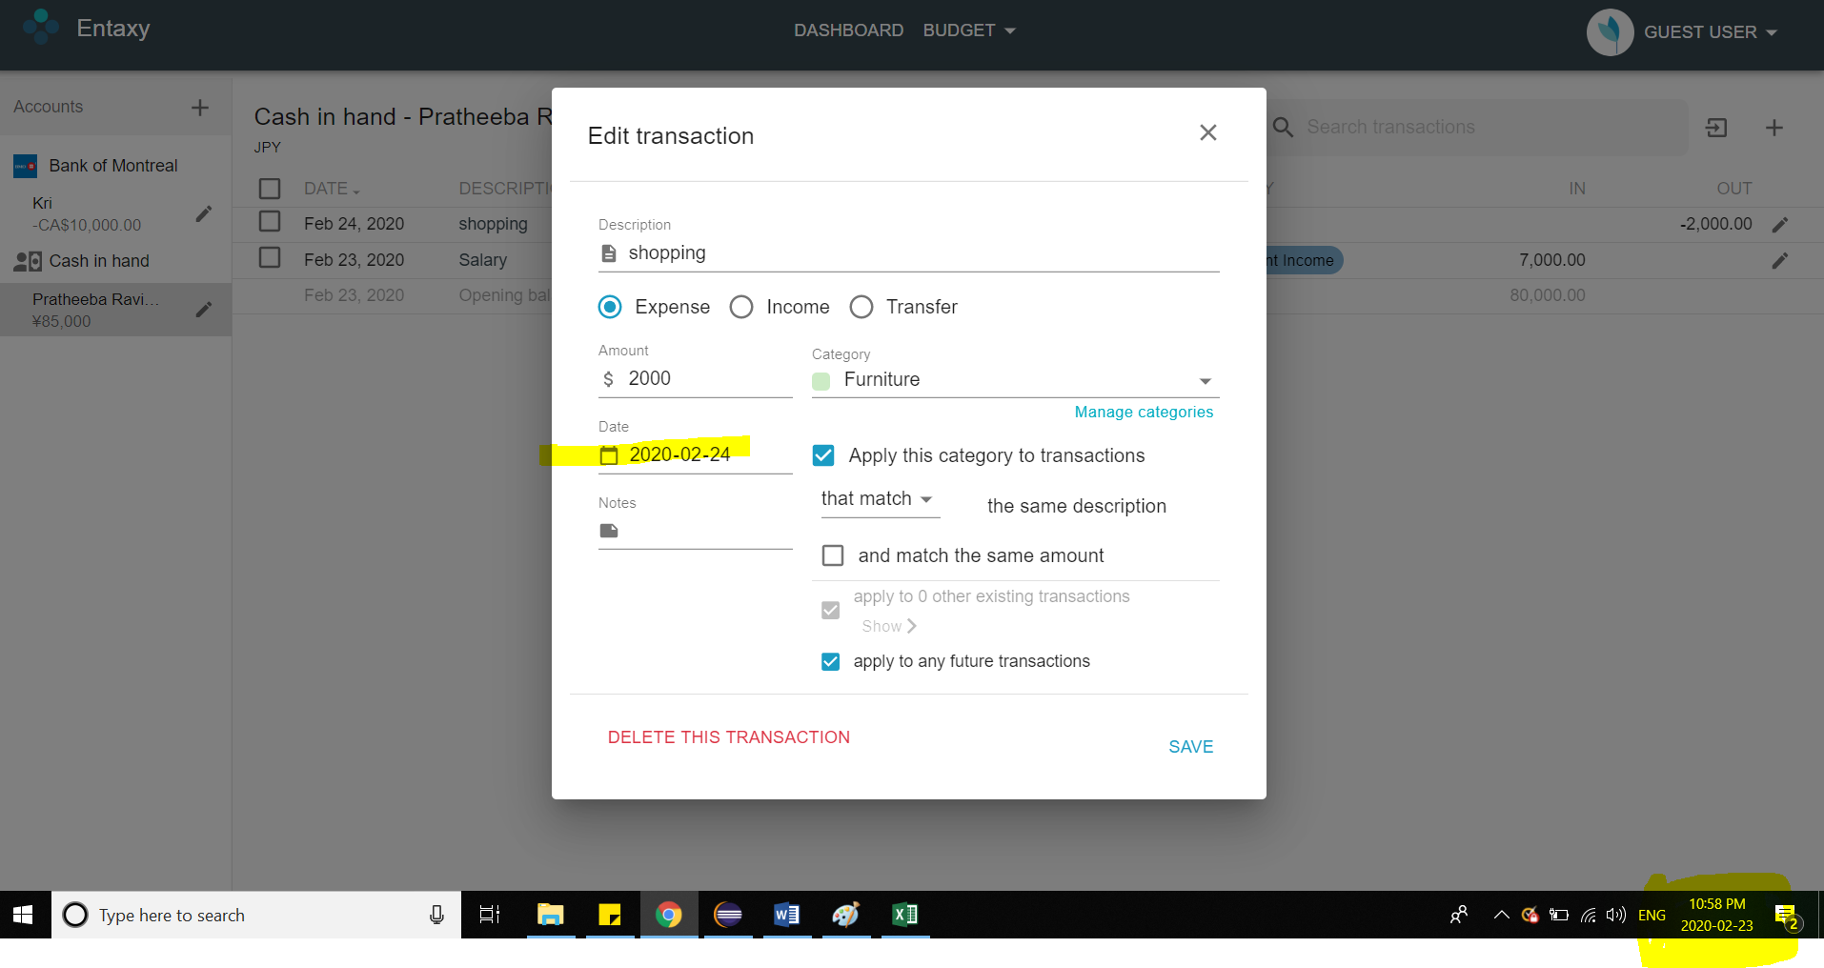
Able to make future expenses

Steps to reproduce: 1. Click on create new transaction 2. Choose expenses 3. Enter amount and other details 4. Give future date for expense date Expected result: Any error message must be displayed for future expenses Actual result: Able to make future expenses without any error.

TC_008
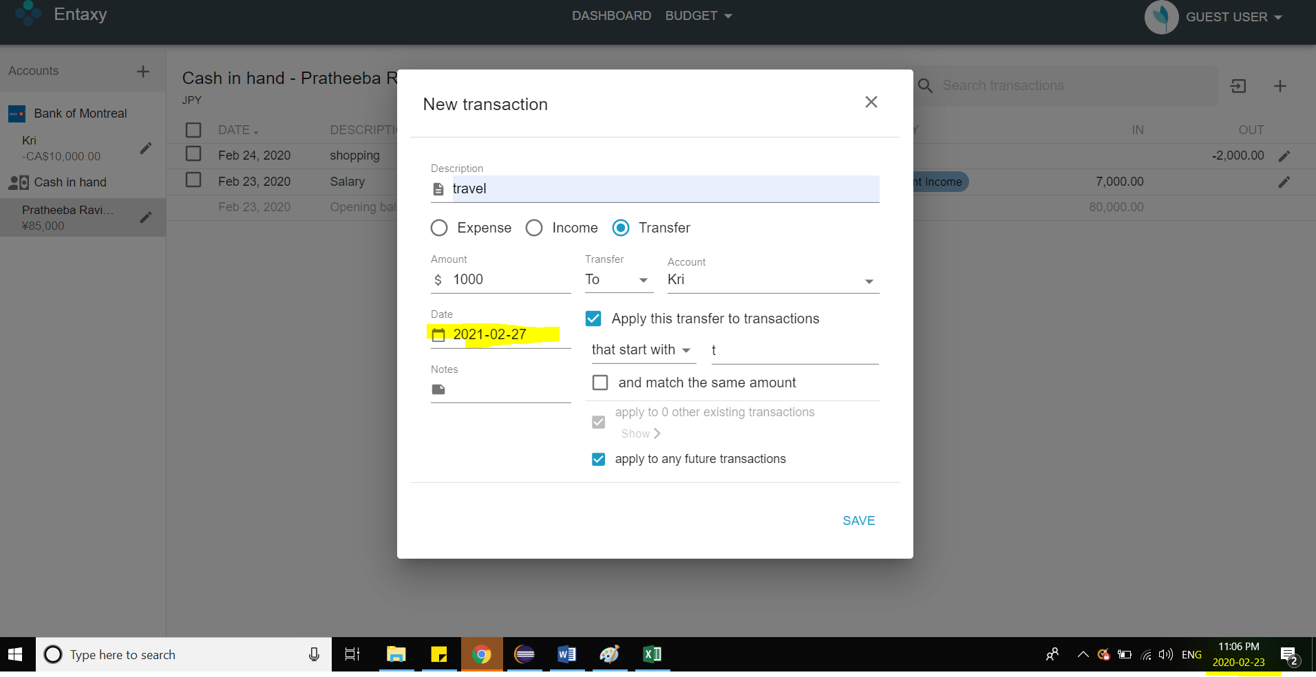
Calendar is not clickable anywhere in the application (depends on how it is specified in requirement document)

Steps to reproduce: 1. Click on create new transaction 2. Choose expenses / income / transfer 3. Enter amount and other details 4. Select date through calendar Expected result: Unable to click on calendar Actual result: Calendar dates can only be entered. It is not selectable from calendar display

TC_010
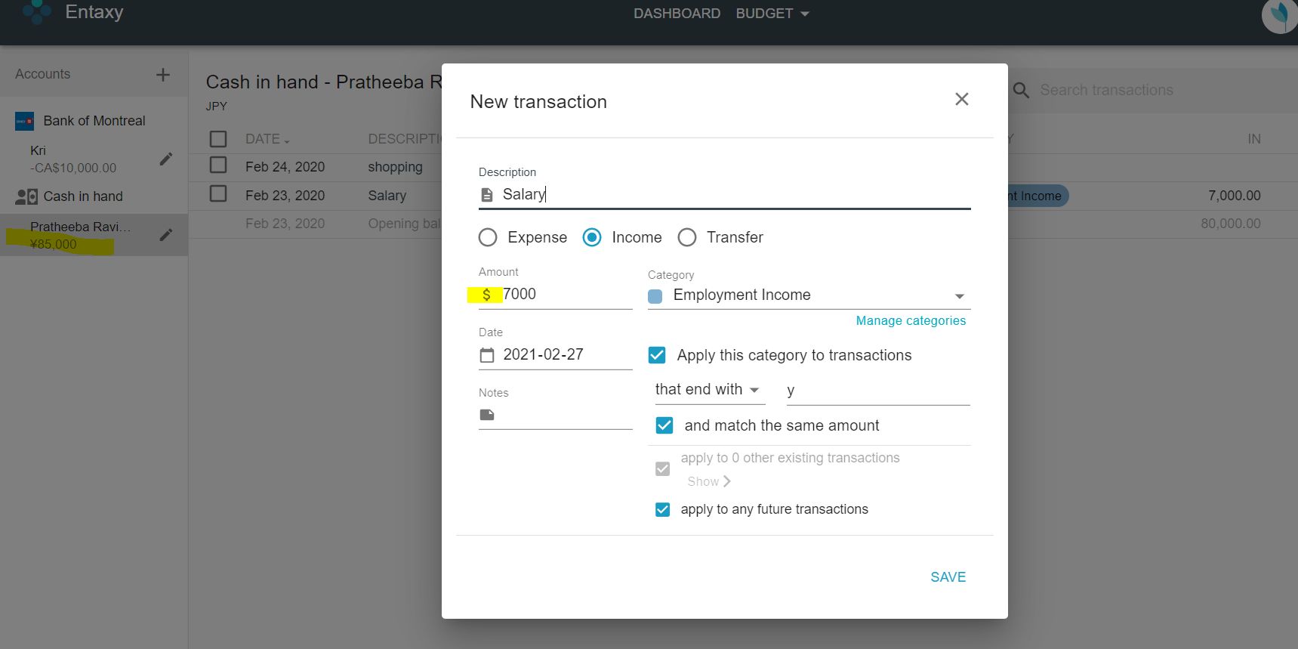
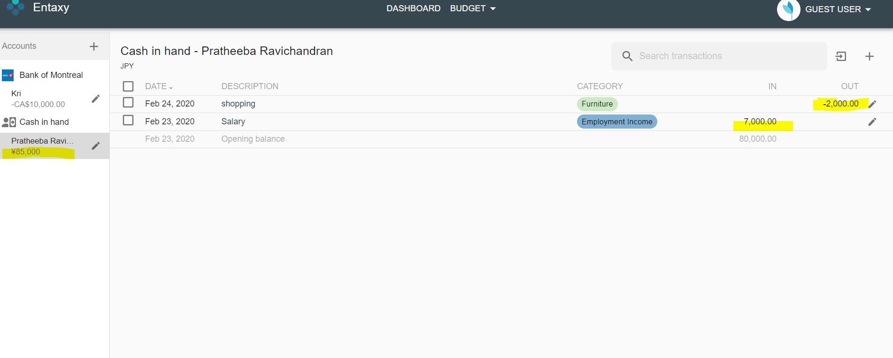
Currency is always displayed as $

Steps to reproduce 1. Create account with Japanese Yen 2. Click on new transfer 3. Choose expense / income / transfer 4. Verify amount currency Expected result: Appropriate currency must be displayed for an account Actual result: Currency is always displayed as $ and all debit and credits are made as $

TC_011
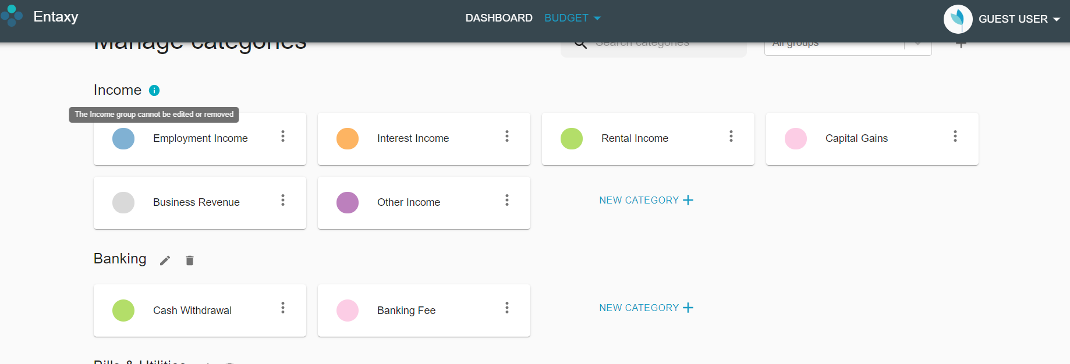
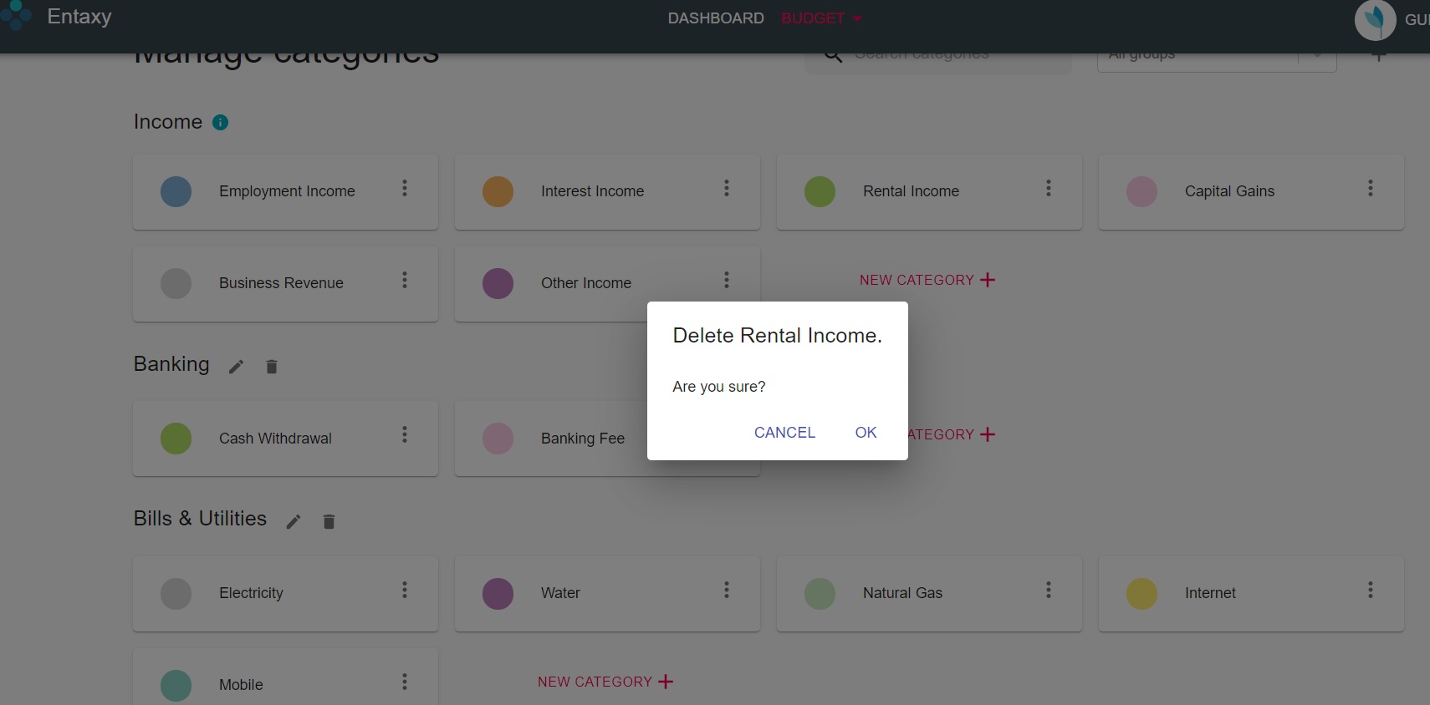
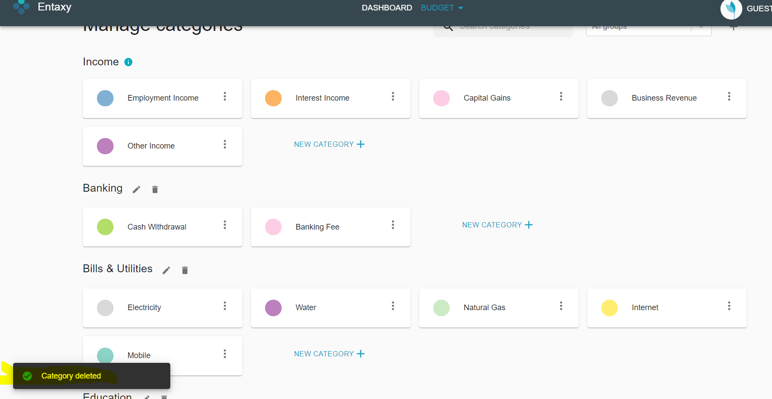
Able to delete income group

Steps to reproduce: 1. Click on Budget option 2. Choose categories 3. Click on any income group and select delete Expected result: Income group cannot be deleted Actual result: Able to delete income groups

TC_012
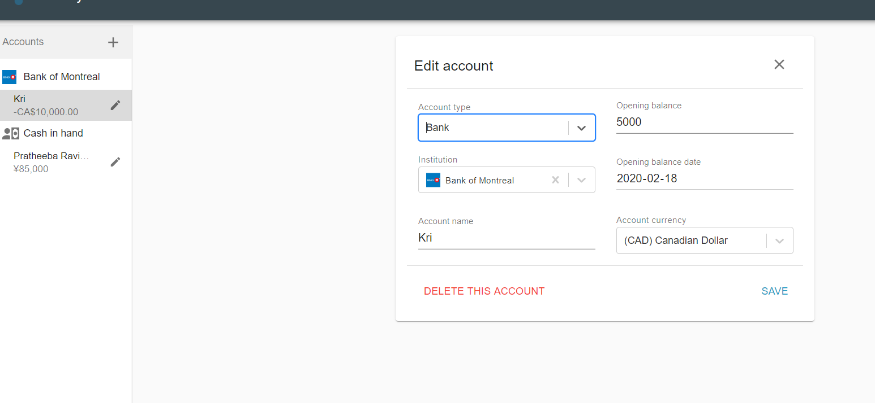
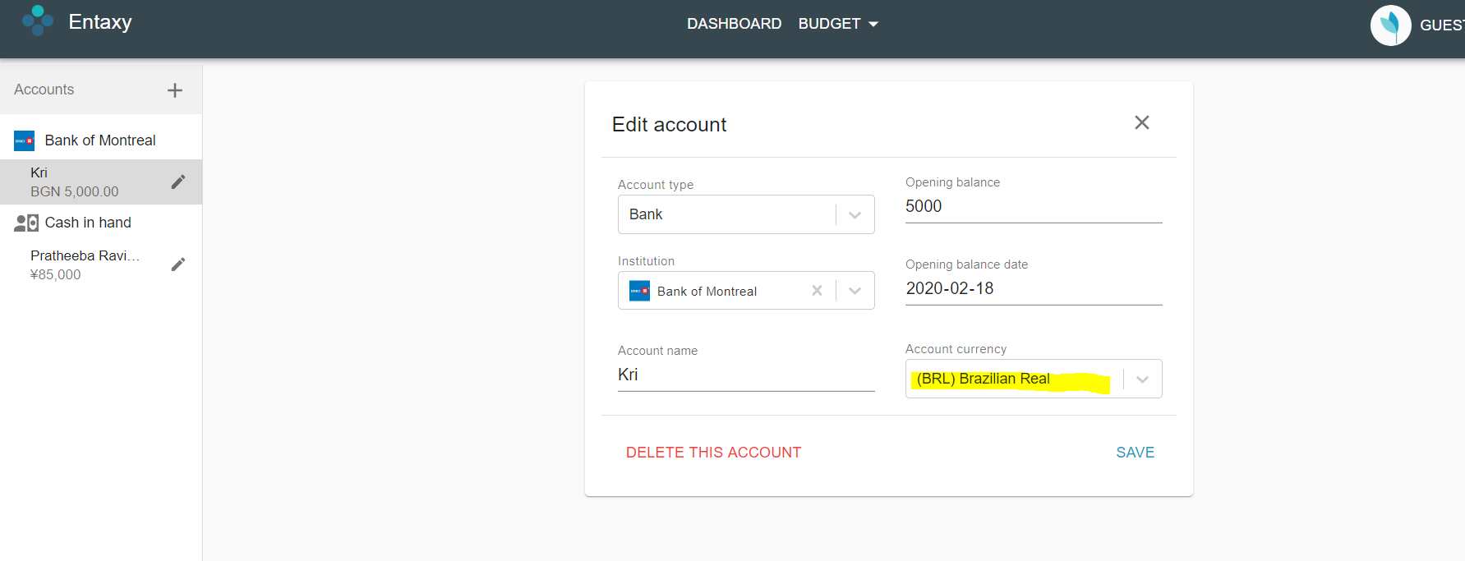
Unable to update/revert account currency

Steps to reproduce: 1. Click on edit account 2. Change user’s currency to different one other than the existing currency 3. Click save 4. Make any transaction 5. Click on edit account again 6. Change user’s currency again 7. Click save Expected result: Must be able to save the changes Actual result: Unable to save the changes. Clicking on save does not work.

TC_013
Previously made transaction are not displayed

Steps to reproduce: 1. Update user account currency 2. Click on save 3. Check transactions displayed once redirected after saving the changes Expected result: Any previous transactions must always be displayed Actual result: Transactions are not displayed as displayed before updating user account. Only opening balance is displayed

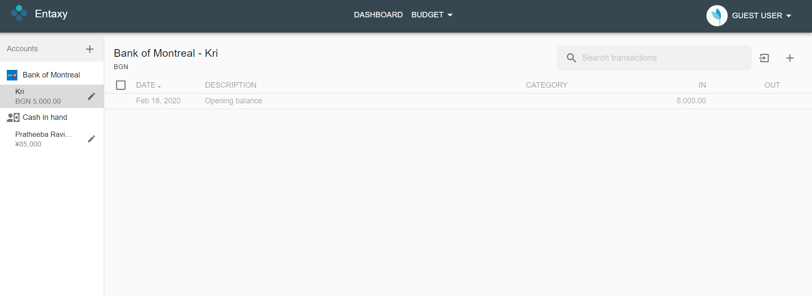
v

TC_014
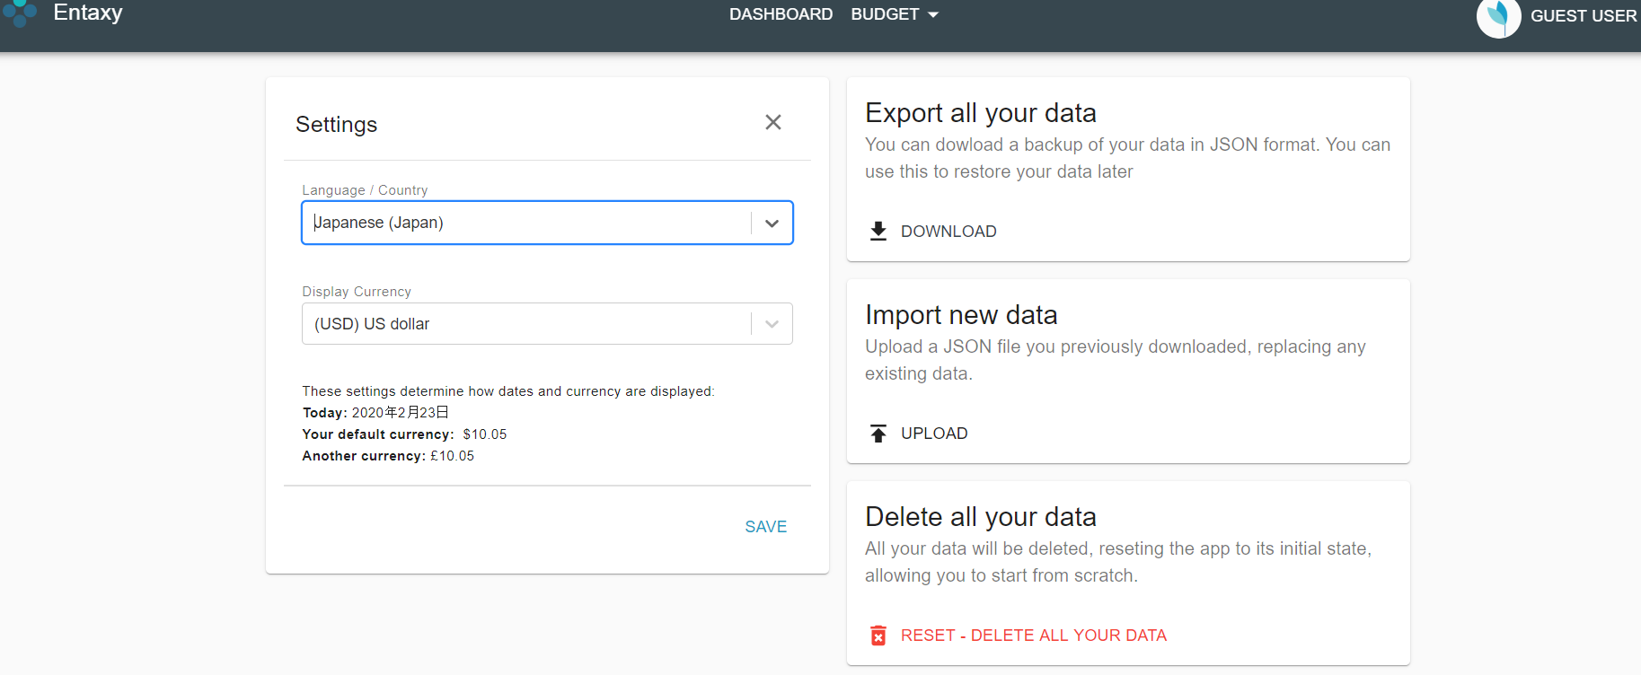
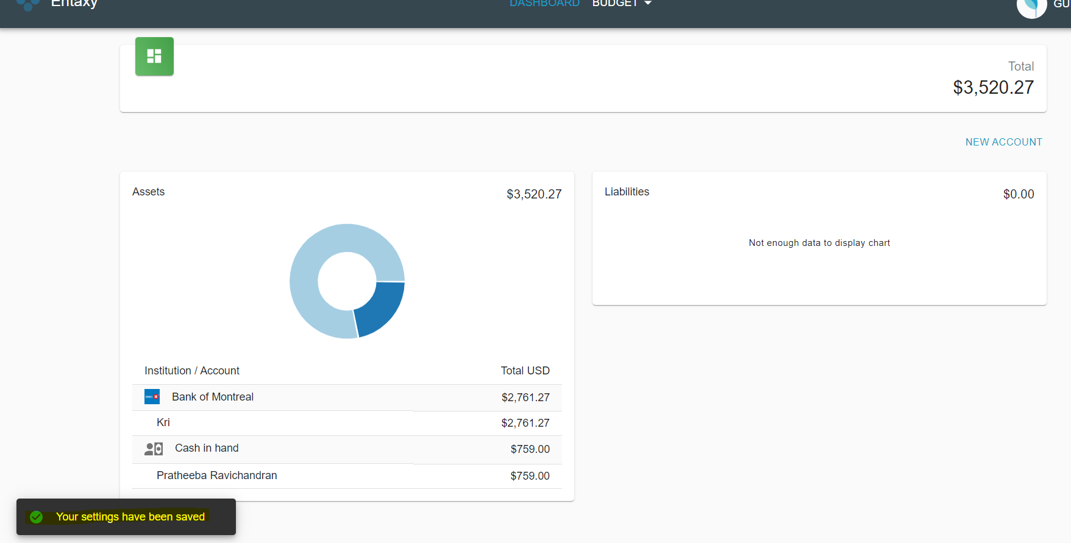
Language is not updated

Steps to reproduce: 1. Click on settings 2. Update language 3. Click on save Expected result: Application must be displayed in chosen language Actual result: Application is always in English

TC_015
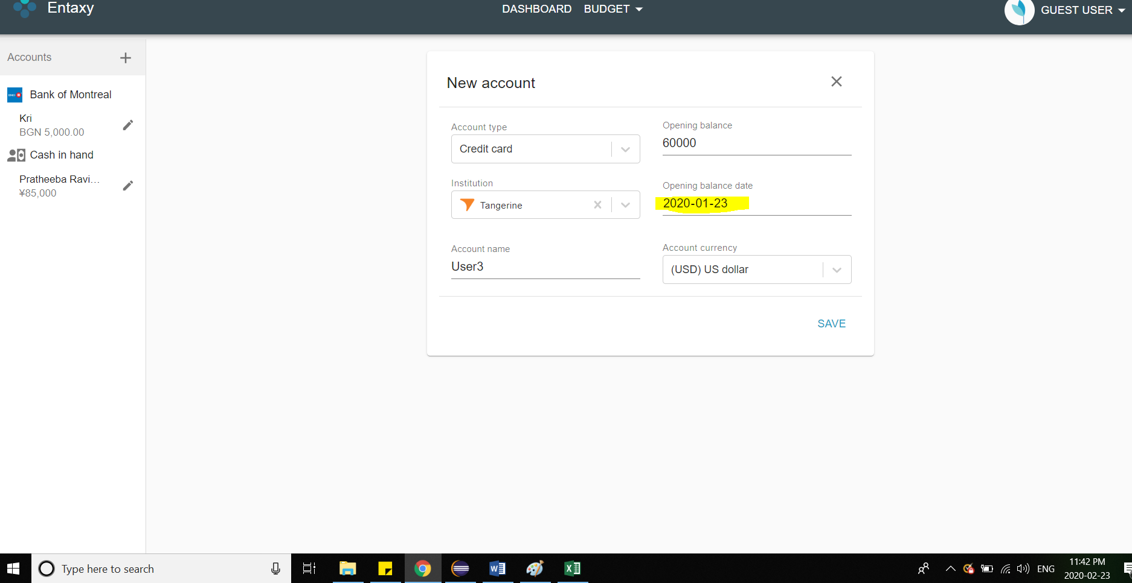
Able to choose past dates for opening date
Steps to reproduce: 1. Create a new account 2. Fill bank details and amount 3. Enter past date for opening date amount Expected result: Past date must not be selectable. Error must be displayed as displayed for future dates Actual result: Able to select past dates ( dates earlier than account creation date)

TC_016
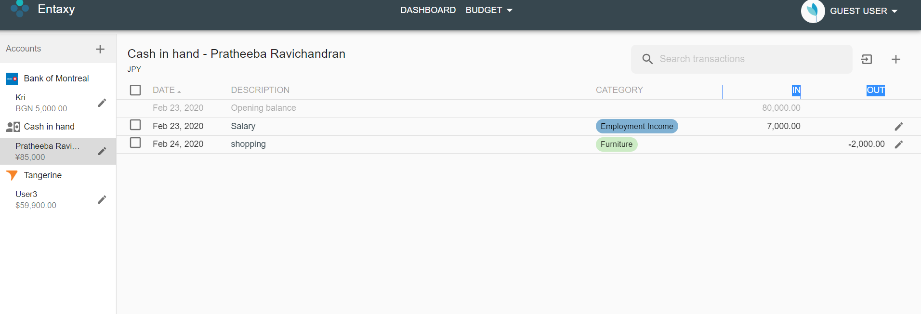
Unable to sort columns “In” and “Out”
Steps to reproduce: 1. Go to user transaction page 2. Sort all columns Expected result: All columns must be sorted either in ascending or descending order Actual result: All columns are working fine expect for “In” and “out”

TC_017
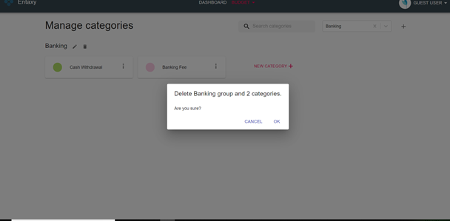
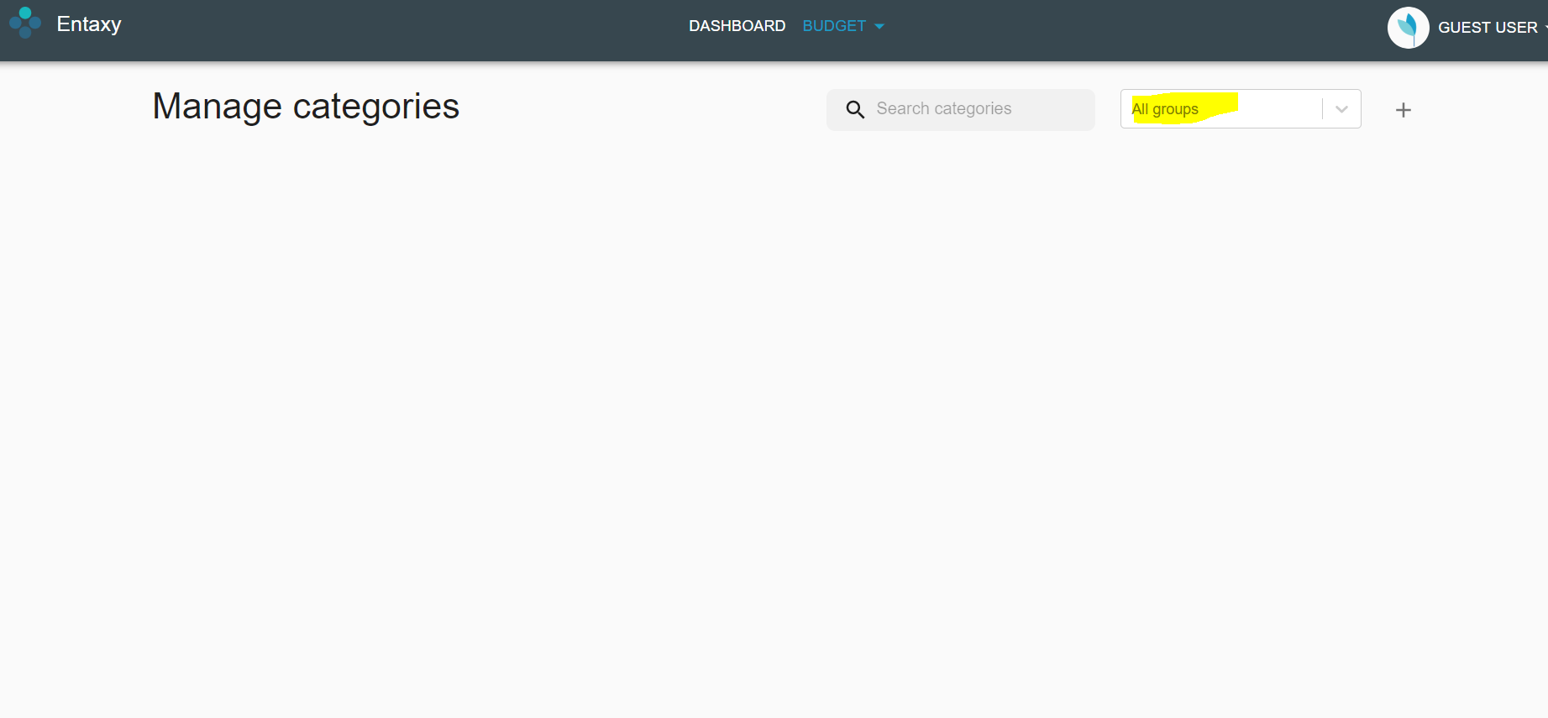
All groups are not displayed after deleting one group

Steps to reproduce: 1. Select Budget option 2. Choose categories 3. Search and delete a group 4. Verify other groups are displayed when drop down value is “All groups” Expected result: Other groups must be displayed Actual result: A blank screen is displayed even though the drop down value is “All groups”

TC_018
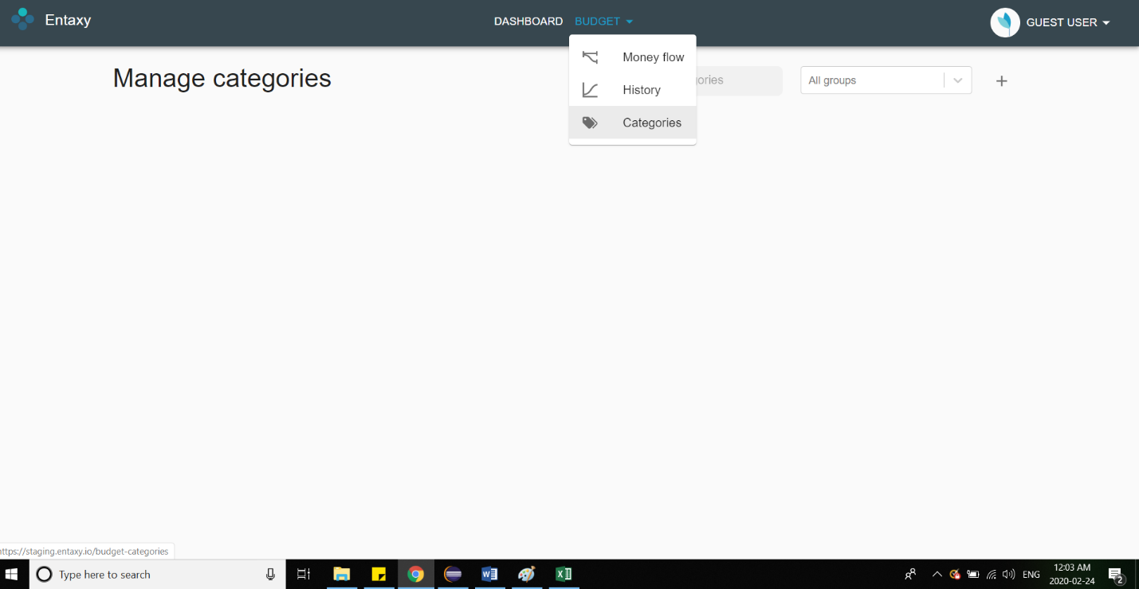
Unable to reload Categories option

Steps to reproduce: 1. Select Budget option 2. Choose Categories 3. In "All groups" drop-down select any of the groups. 4. Delete the category group. 5. Click on the "Categories" item again Expected behavior Page should be reloaded and existing groups with categories should be displayed. Actual behavior User remains at the same page without any groups and categories listing.

TC_019
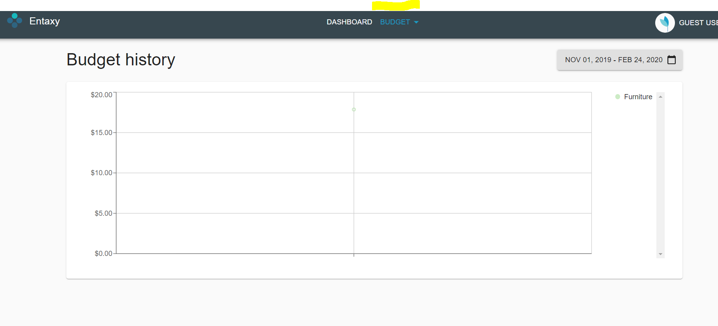
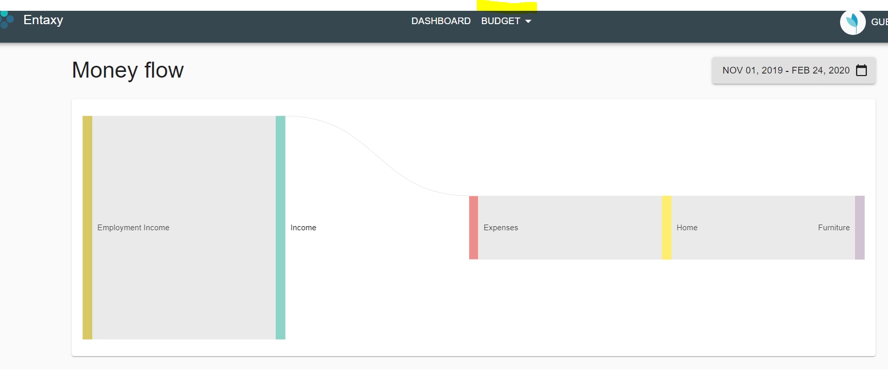
Color does not change for “Budget” when clicking on Money flow

Steps to reproduce: 1. Click on Budget -> History 2. Click on Budget -> Categories 3. Click on Budget -> Money flow Expected result: The color of “budget” must be in blue as displayed when selecting History and categories. Actual result: The color of “Budget” remains the same (white) when in Money flow screen. It is working properly for History and Categories

TC_021
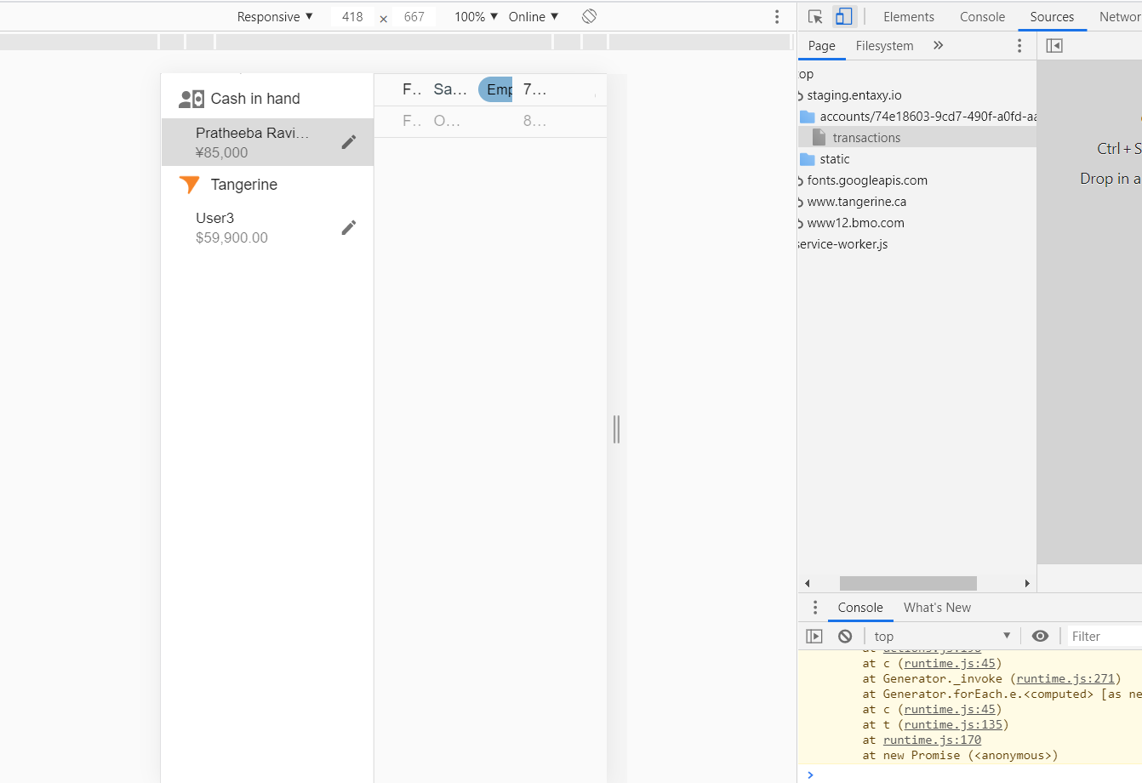
Application is not compatible for mobile screens (if application is also designed for mobile apps)

Pre-Conditions Using Chrome browser open a new tab. Press F12 to open Developer Tools Select any device Steps to reproduce Go to transaction page Expected behavior The page should be displayed properly. Actual behavior All tabs are not diaplayed properly

TC_032

Guest user is unable to login after close session

Steps to reproduce 1.CLick on close session from GUest user option 2. In the Home page, Again click on continue as Guest User Expected behavior Previous Guest user data should be retrieved and displayed Actual behavior User is unable to login. Page is redirecting to "Loading data from local storage".

TC_034
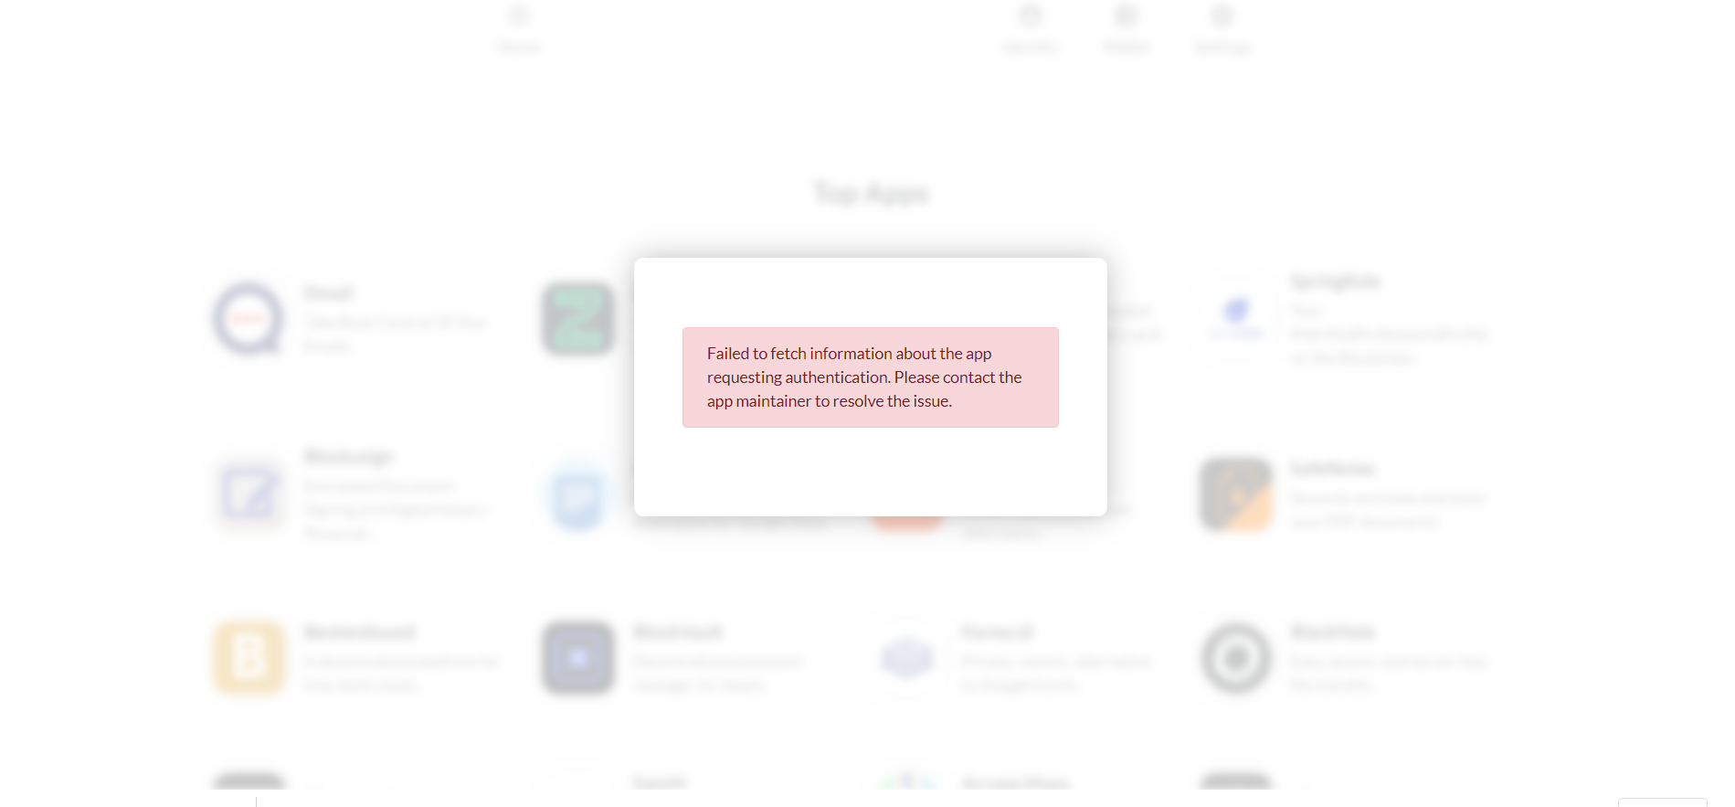
Error message is displayed when loggin in block stack user id

Steps to reproduce: 1. Click on Sign in with Block stack from homepage Expected result: Must request for login credentials and must be able to login Actual result: Below error message is displayed

